Overview
AIM-AHEAD - OCHIN Data Dictionary (year 2)
Version: Year 2
Date: 3/14/2023

Source data: OCHIN RDW
Source data are from the OCHIN Research Data Warehouse (RDW). The OCHIN RDW integrates outpatient electronic health record (EHR) data for patients seen in OCHIN's national network of community-based health centers with community data, standardized into a Common Data Model (CDM). This data source is a key component of OCHIN as a ‘community laboratory’ for engaging traditionally underserved and under-represented patients in patient centered outcomes research.
All clinics represented in the OCHIN RDW are Community-based Health Centers (CHCs), sometimes referred to as safety net clinics. This umbrella term includes federally-qualified health centers (FQHCs), FQHC lookalikes, school-based health centers, rural health centers, Ryan White HIV/AIDS clinics, Healthcare for the Homeless grantees, and other federal and state program grantees. All CHCs provide comprehensive primary healthcare services to patients regardless of insurance status or ability to pay.

Inclusion criteria and data overview
Overall inclusion criteria for the OCHIN RDW is ≥1 ambulatory, telehealth, or dental visit at a member clinic site on or after 1/1/2012. Records from institutionalized patients and neonates (<28 days old) are excluded.
The OCHIN RDW does not currently include inpatient, ED, or urgent care records. All data pertain to ambulatory / outpatient care only. Information on costs or charges are also not available.

Data years available: 2012-2022
Distinct patients: >6.1 million
Encounters: >170 million

Despite data being available back to 2012, the number of patients and encounters in the OCHIN RDW has increased greatly over time (Fig 1), predominantly due to the growth in OCHIN's clinic membership. Member health systems may expand, reduce, or change their services over time. Consequently, the OCHIN RDW is an open cohort based on patient utilization and should not be considered a consistent longitudinal cohort of a fixed set of clinics or patients over time. However, most patients do have multiple visits over time and some longitudinal patient-level analysis is possible.

Fig. 1. Increase in member organization and patient counts in OCHIN RDW, as of 2/9/2023
 | Patients seen per quarter | Member orgs
2012_Q1 | 324469 | 35
2012_Q2 | 335245 | 37
2012_Q3 | 370582 | 42
2012_Q4 | 416069 | 48
2013_Q1 | 445469 | 49
2013_Q2 | 456169 | 52
2013_Q3 | 474904 | 53
2013_Q4 | 494989 | 54
2014_Q1 | 527485 | 56
2014_Q2 | 563801 | 57
2014_Q3 | 609374 | 58
2014_Q4 | 643646 | 59
2015_Q1 | 670448 | 62
2015_Q2 | 683213 | 65
2015_Q3 | 689792 | 68
2015_Q4 | 751905 | 69
2016_Q1 | 824525 | 72
2016_Q2 | 843441 | 74
2016_Q3 | 885116 | 77
2016_Q4 | 890594 | 77
2017_Q1 | 949584 | 79
2017_Q2 | 979970 | 80
2017_Q3 | 994131 | 81
2017_Q4 | 1014883 | 83
2018_Q1 | 1060352 | 85
2018_Q2 | 1085394 | 89
2018_Q3 | 1096363 | 90
2018_Q4 | 1126342 | 92
2019_Q1 | 1238254 | 94
2019_Q2 | 1208255 | 99
2019_Q3 | 1264190 | 103
2019_Q4 | 1306705 | 104
2020_Q1 | 1353638 | 109
2020_Q2 | 1205965 | 114
2020_Q3 | 1270534 | 115
2020_Q4 | 1379511 | 118
2021_Q1 | 1461690 | 119
2021_Q2 | 1563150 | 124
2021_Q3 | 1562635 | 127
2021_Q4 | 1600269 | 134
2022_Q1 | 1590407 | 139
2022_Q2 | 1651760 | 142
2022_Q3 | 1778745 | 153
 | 1895644 | 163

As of early 2023, OCHIN clinics were located in 35 states.

Fig. 2. OCHIN patient distribution by clinic's state
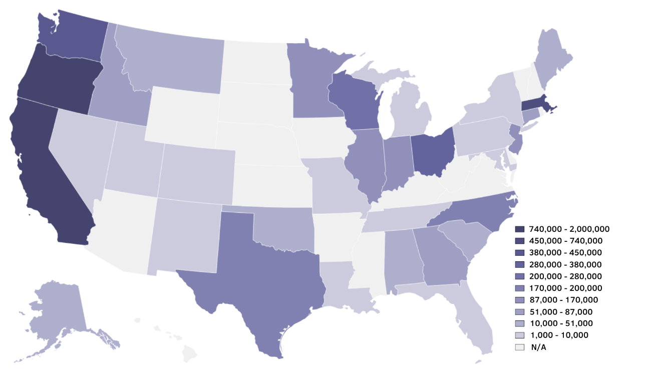

The demographic and clinical profile of OCHIN RDW patients is comparable to that of Community Health Center patients nationally.1
For example, OCHIN patients are predominantly low-income (60% under the Federal Poverty Level), more commonly racial/ethnic minorities than the general US population (67% BIPOC), and have higher rates of chronic conditions than the general population.
OCHIN RDW patients are largely publicly insured (56% on Medicaid or Medicare) or uninsured (26%).
OCHIN health centers also server greater proportions of special populations, such as individuals experiencing homelessness and migrant/seasonal agricultural workers.

1 https://www.nachc.org/research-and-data/research-fact-sheets-and-infographics/2021-community-health-center-chartbook/

Facilities
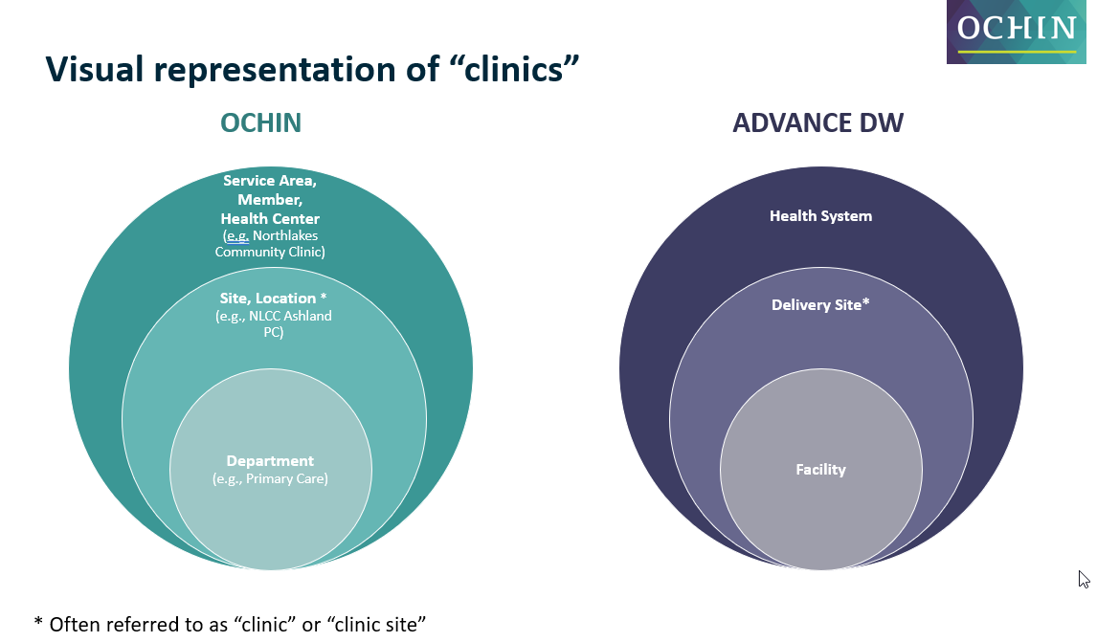
Facilities
This table contains facility records associated with encounters. "Clinics" can be represented at 3 nested levels: health system is the largest unit and usually contains multiple clinic sites; clinic site indicates a distinct physical location or mobile unit, often containing multiple facilities; facility is another name for department. See visual below.

Field name | Description | Values | Notes
FacilityID | Anonymized facilityID (department ID) |  | Primary key. Indicates departments, which is the unit at which EHR visits occur.
Delivery_site_id | Anonymized delivery site identifier |  | Delivery site is our best approximation of a distinct physical location (i.e. brick-and-mortar site). Facilities are nested within delivery_sites; delivery sites nested within health centers
HealthsystemID | Anonymized health system ID |  | Facilities are nested within delivery_sites; delivery sites nested within health centers. See visual below. OCHIN recommends using HealthsystemID as a clustering variable to account for correlation within health system.
delivery_site_type | ADVANCE categorization for type of delivery site (i.e. physical clinic location) | Administrative CHC = community health center Dental Enabling Services Mobile Site Private Clinic Rural Health Center SBHC = school-based health center Specialty NULL (no data)
facility_type | Type of facility (department) | ADM=Administrative ANC=Ancillary Services CM=Case Management/Outreach DS=Dental Services EC=Early Childhood Program MH=Mental Health MS=Medical Specialty PC=Primary Care PH=Public Health SW=Social Work VS=Vision Services NULL (no data) | Facility type does not necessarily indicate the type of services delivered at the site, but is usually a reasonable indicator.
facility_specialty | Department specialty, as recorded in source EHR | Most values self-explanatory. SBHC = school-based health center MH = mental health PACE = Program of All-inclusive Care for the Elderly | Often missing, but where present can provide additional detail about the type of care provided at this department.
EHR_golive_date | Date of OCHIN Epic EHR implementation for this facility
inactive_date | Date this facility went off EHR or became inactive in our system |  | Only populated if facility no longer has EHR visits recorded in the system or is known to have closed.
state_abbr | State where facility is located | 2-digit postal code
PRIMARY_RUCA_2010_RECODE | Rural-Urban Community Area (RUCA) category based on facility zip code | R = rural ST = small town UC = urban cluster UA = urbanized area NULL | Metropolitan area core: primary flow within an urbanized area (UA) Metropolitan area high commuting: primary flow 30% or more to a UA Micropolitan area core: primary flow within an Urban Cluster of 10,000 to 49,999 (large UC) Micropolitan high commuting: primary flow 30% or more to a large UC Not coded: Census tract has zero population and no rural-urban identifier information Rural areas: primary flow to a tract outside a UA or UC Small town core: primary flow within an Urban Cluster of 2,500 to 9,999 (small UC) Small town high commuting: primary flow 30% or more to a small UC Small town low commuting: primary flow 10% to 30% to a small UC Null (no data)

